2nd run-selected GL with diff
 |  |  |  |  | Company Code Currency (LC1)
 |  |  |  | Ledger | ST | TX | T1
 |  |  |  |  | STATUTORY | TAX | TAX EXTENSION (Tax Perm)
G/L Account Type |  | GL Account |  | Document number | EUR | EUR | EUR
N | Nonoperating Expense or Income | JTIO/707010 | IntrstExpnsOnSTDebt | 1710001065 | 0.00
 |  |  |  | 1710001755 | 0.00
 |  |  |  | 1710002437 | 0.00
 |  |  |  | 1710003684 | 0.00
 |  |  |  | 1710005147 | 0.00
 |  |  |  | 1710005763 | 0.00
 |  |  |  | 1720000968 |  | 0.00 | 0.00
 |  |  |  | 1720001840 |  | 0.00 | 0.00
 |  |  |  | 1720002202 |  | 0.00 | 0.00
 |  |  |  | 1720003283 |  | 0.00 | 0.00
 |  |  |  | 1720004245 |  | 0.00 | 0.00
 |  |  |  | 1720005567 |  | 0.00 | 0.00
 |  |  |  | 7710000378 | 3,821,296.60
 |  |  |  | 7710000401 | 3,821,296.60
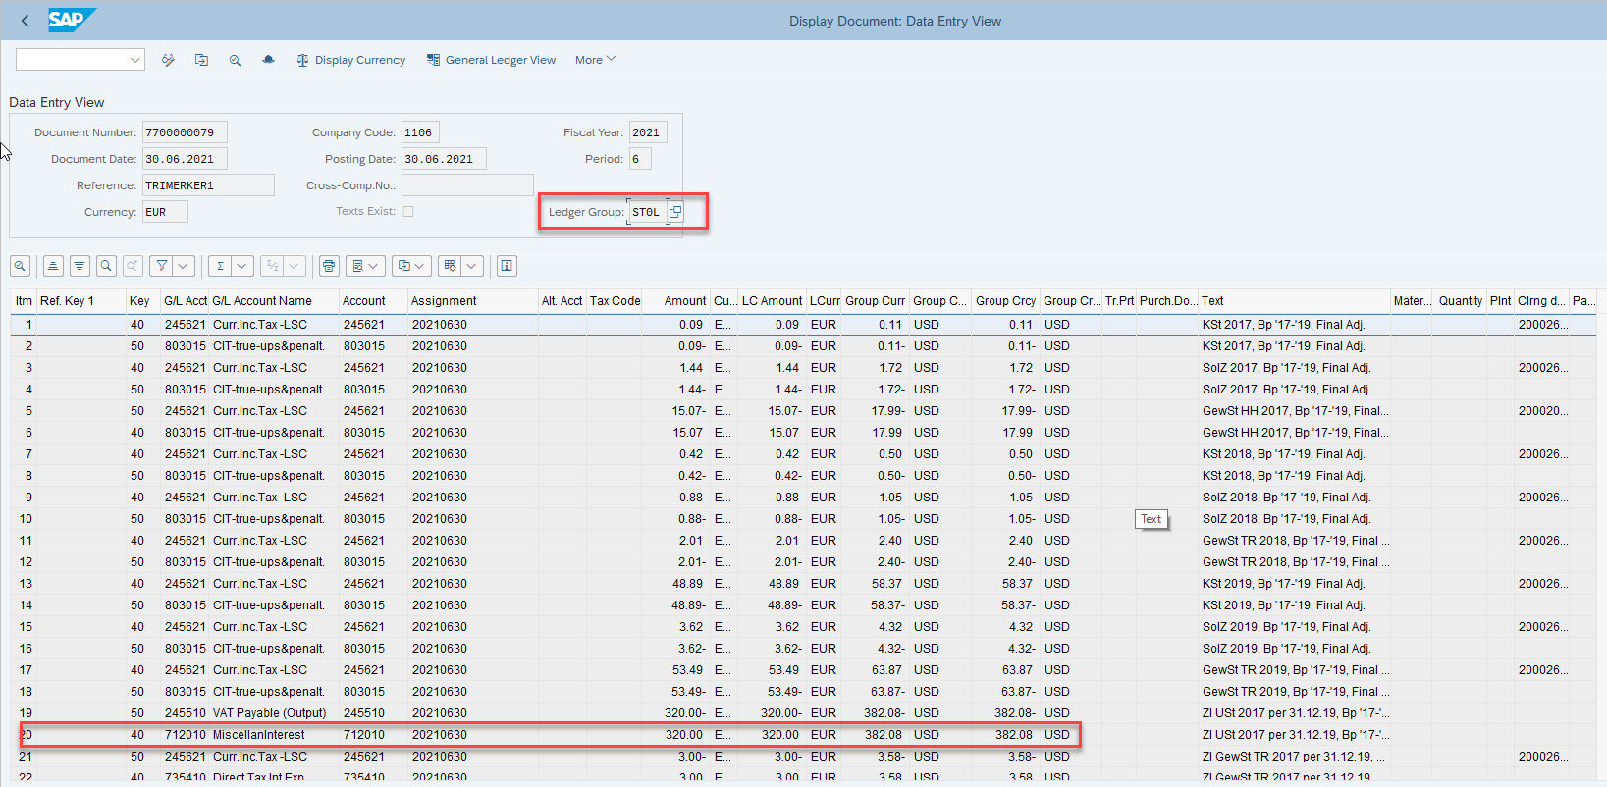
 |  |  |  | 7710000960 | 3,821,296.60
 |  |  |  | 7710001352 | 3,821,296.60
 |  |  |  | 7710001729 | 3,333,028.28
 |  |  |  | 7710002422 | 3,333,028.28
 |  |  |  | 7720000017 |  | 16,000.96 | 16,000.96
 |  |  |  | 7720000018 |  | 308,990.93 | 308,990.93
 |  |  |  | 7720000019 |  | 16,929.76 | 16,929.76
 |  |  |  | 7720000020 |  | 825,261.50 | 825,261.50
 |  |  |  | 7720000029 |  | 16,000.96 | 16,000.96
 |  |  |  | 7720000030 |  | 308,990.93 | 308,990.93
 |  |  |  | 7720000031 |  | 16,929.76 | 16,929.76
 |  |  |  | 7720000032 |  | 825,261.50 | 825,261.50
 |  |  |  | 7720000037 |  | 16,000.96 | 16,000.96
 |  |  |  | 7720000038 |  | 308,990.93 | 308,990.93
 |  |  |  | 7720000039 |  | 16,929.76 | 16,929.76
 |  |  |  | 7720000040 |  | 825,261.50 | 825,261.50
 |  |  |  | 7720000045 |  | 16,000.96 | 16,000.96
 |  |  |  | 7720000046 |  | 308,990.93 | 308,990.93
 |  |  |  | 7720000047 |  | 16,929.76 | 16,929.76
 |  |  |  | 7720000048 |  | 825,261.50 | 825,261.50
 |  |  |  | 7720000053 |  | 16,000.96 | 16,000.96
 |  |  |  | 7720000054 |  | 308,990.93 | 308,990.93
 |  |  |  | 7720000055 |  | 16,929.76 | 16,929.76
 |  |  |  | 7720000056 |  | 825,261.50 | 825,261.50
 |  |  |  | 7720000062 |  | 16,000.96 | 16,000.96
 |  |  |  | 7720000063 |  | 308,990.93 | 308,990.93
 |  |  |  | 7720000064 |  | 16,929.76 | 16,929.76
 |  |  |  | 7720000065 |  | 825,261.50 | 825,261.50
 |  | JTIO/712010 | MiscellanInterest | 1710005766 | 0.00
 |  |  |  | 7700000079 | 320.00
 |  | Result |  |  | 21,951,562.96 | 7,003,098.90 | 7,003,098.90

3rd run-selected GL with diff
 |  |  |  |  | Company Code Currency (LC1)
 |  |  |  | Ledger | ST | TX | T1
 |  |  |  |  | STATUTORY | TAX | TAX EXTENSION (Tax Perm)
G/L Account Type |  | GL Account |  | Document number | EUR | EUR | EUR
N | Nonoperating Expense or Income | JTIO/735410 | Direct Tax Int Exp | 1710002644 | 0.00
 |  |  |  | 1710005906 | 0.00
 |  |  |  | 1720002377 |  | 0.00 | 0.00
 |  |  |  | 1720005646 |  | 0.00 | 0.00
 |  |  |  | 7600000121 |  |  | (67,775.25)
 |  |  |  | 7600000122 |  |  | (46,803.75)
 |  |  |  | 7600000123 |  |  | (49,535.25)
 |  |  |  | 7600000124 |  |  | (54,325.50)
 |  |  |  | 7600000125 |  |  | (28,083.75)
 |  |  |  | 7600000126 |  |  | (16,305.75)
 |  |  |  | 7600000127 |  |  | (16,008.75)
 |  |  |  | 7600000128 |  |  | (25,015.50)
 |  |  |  | 7600002317 |  |  | (46,803.75)
 |  |  |  | 7600002318 |  |  | (49,535.25)
 |  |  |  | 7600002319 |  |  | (54,325.50)
 |  |  |  | 7600002320 |  |  | (28,083.75)
 |  |  |  | 7600002321 |  |  | (16,305.75)
 |  |  |  | 7600002322 |  |  | (16,008.75)
 |  |  |  | 7600002323 |  |  | (25,015.50)
 |  |  |  | 7700000079 | 3.00
 |  |  |  | 9400042279 | 303,853.50 | 303,853.50 | 303,853.50
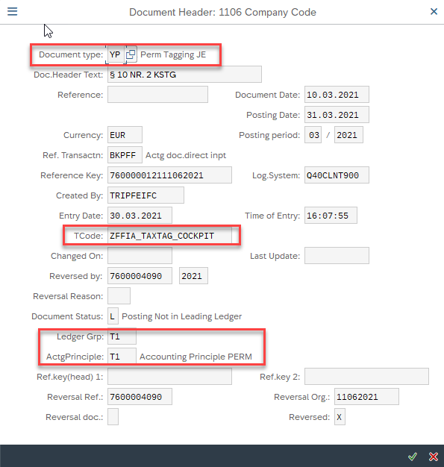
 |  |  |  | 9400042569 | 303,853.50 | 303,853.50 | 303,853.50
 |  | Result |  |  | 607,710.00 | 607,707.00 | 67,775.25
P | Primary Costs or Revenue | JTIO/541012 | Other Expense | 5000026348 | 1,320.71 | 1,320.71 | 1,320.71
 |  |  |  | 5000027019 | 12,960.00 | 12,960.00 | 12,960.00
 |  |  |  | 5000027021 | 22,250.00 | 22,250.00 | 22,250.00
 |  |  |  | 5000028679 | (1,320.71) | (1,320.71) | (1,320.71)
 |  |  |  | 5000028680 | 1,320.71 | 1,320.71 | 1,320.71
 |  |  |  | 5000028681 | 1,320.71 | 1,320.71 | 1,320.71
 |  |  |  | 5000028811 | 7,000.00 | 7,000.00 | 7,000.00
 |  |  |  | 5000029608 | 1,320.71 | 1,320.71 | 1,320.71
 |  |  |  | 5000032144 | 1,320.71 | 1,320.71 | 1,320.71
 |  |  |  | 5121004732 | 370.61 | 370.61 | 370.61
 |  |  |  | 5121008994 | 0.00 | 0.00 | 0.00
 |  |  |  | 5121014825 | 1,201.86 | 1,201.86 | 1,201.86
 |  |  |  | 5121014827 | 934.78 | 934.78 | 934.78
 |  |  |  | 5121020205 | (934.78) | (934.78) | (934.78)
 |  |  |  | 5121020212 | (1,201.86) | (1,201.86) | (1,201.86)
 |  |  |  | 5121020852 | 1,201.81 | 1,201.81 | 1,201.81
 |  |  |  | 5121021979 | 934.74 | 934.74 | 934.74
 |  |  |  | 5121021980 | (934.74) | (934.74) | (934.74)
 |  |  |  | 5121021982 | 934.74 | 934.74 | 934.74
 |  |  |  | 5121037393 | 38.50 | 38.50 | 38.50
 |  |  |  | 7600000041 |  |  | 50,000.00
 |  |  |  | 7700000007 | 64,464.41
 |  |  |  | 7700000026 | (64,464.41)
 |  |  |  | 7710000391 | (64,464.41)
 |  |  |  | 7710000951 | (952.70) | (952.70) | (952.70)
 |  |  |  | 8221000015 | 15.00 | 15.00 | 15.00
 |  |  |  | 8621000107 | 459.00 | 459.00 | 459.00
 |  |  |  | 8621000108 | 153.00 | 153.00 | 153.00
 |  |  |  | 9400042097 | (112,481.00) | (112,481.00) | (112,481.00)
 |  |  |  | 9400042098 | (46,899.15) | (46,899.15) | (46,899.15)
 |  |  |  | 9400042103 | (69,920.00) | (69,920.00) | (69,920.00)
 |  |  |  | 9400042146 | 112,481.00 | 112,481.00 | 112,481.00
 |  |  |  | 9400042180 | (112,481.00) | (112,481.00) | (112,481.00)
 |  |  |  | 9400042189 | 952.70 | 952.70 | 952.70
 |  |  |  | 9400042208 | 0.00 | 0.00 | 0.00
 |  |  |  | 9400042222 | (162.11) | (162.11) | (162.11)
 |  |  |  | 9400042234 | 0.00 | 0.00 | 0.00
 |  |  |  | 9400042242 | 112,481.00 | 112,481.00 | 112,481.00
 |  |  |  | 9400042271 | (112,481.00) | (112,481.00) | (112,481.00)
 |  |  |  | 9400042334 | 112,481.00 | 112,481.00 | 112,481.00
 |  |  |  | 9400042364 | (112,481.00) | (112,481.00) | (112,481.00)
 |  |  |  | 9400042373 | (192.78) | (192.78) | (192.78)
 |  |  |  | 9400042377 | 33.37 | 33.37 | 33.37
 |  |  |  | 9400042452 | 0.00 | 0.00 | 0.00
 |  |  |  | 9400042458 | 112,481.00 | 112,481.00 | 112,481.00
 |  |  |  | 9400042469 | (52.56) | (52.56) | (52.56)
 |  |  |  | 9400042487 | (112,481.00) | (112,481.00) | (112,481.00)
 |  |  |  | 9400042518 | (91.12) | (91.12) | (91.12)
 |  |  |  | 9400042539 | 112,481.00 | 112,481.00 | 112,481.00
 |  |  |  | 9400042568 | (112,481.00) | (112,481.00) | (112,481.00)
 |  |  |  | 9400042576 | (140.48) | (140.48) | (140.48)
 |  |  |  | 9400042635 | 112,481.00 | 112,481.00 | 112,481.00
 |  |  |  | 9400042636 | 0.00 | 0.00 | 0.00
 |  |  |  | 9600013128 | 17.85 | 17.85 | 17.85
 |  |  |  | 9600013135 | 1,581.64 | 1,581.64 | 1,581.64
 |  |  |  | 9600013149 | 89.68 | 89.68 | 89.68
 |  |  |  | 9600013156 | 18.63 | 18.63 | 18.63
 |  |  |  | 9600013161 | 84.44 | 84.44 | 84.44
 |  |  |  | 9600013166 | 200.00 | 200.00 | 200.00
 |  |  |  | 9600013169 | 20.37 | 20.37 | 20.37
 |  |  |  | 9600013179 | 145.74 | 145.74 | 145.74
 |  |  |  | 9600013183 | 150.00 | 150.00 | 150.00
 |  |  |  | 9600013191 | 35.58 | 35.58 | 35.58
 |  |  |  | 9600013197 | 72.00 | 72.00 | 72.00
 |  |  |  | 9600013204 | 17.85 | 17.85 | 17.85
 |  |  |  | 9600013216 | 252.82 | 252.82 | 252.82
 |  |  |  | 9600013218 | 150.00 | 150.00 | 150.00
 |  |  |  | 9600013226 | 5,100.00 | 5,100.00 | 5,100.00
 |  |  |  | 9600013235 | 100.00 | 100.00 | 100.00
 |  |  |  | 9600013246 | 475.40 | 475.40 | 475.40
 |  |  |  | 9600013251 | 20.58 | 20.58 | 20.58
 |  |  |  | 9600013253 | 198.00 | 198.00 | 198.00
 |  |  |  | 9600013256 | 136.41 | 136.41 | 136.41
 |  |  |  | 9600013267 | 9.70 | 9.70 | 9.70
 |  |  |  | 9600013271 | 415.34 | 415.34 | 415.34
 |  |  |  | 9600013291 | 10.00 | 10.00 | 10.00
 |  |  |  | 9600013292 | 200.00 | 200.00 | 200.00
 |  |  |  | 9600013302 | 52.61 | 52.61 | 52.61
 |  |  |  | 9600013306 | 0.13 | 0.13 | 0.13
 |  |  |  | 9600013311 | 29.58 | 29.58 | 29.58
 |  |  |  | 9600013316 | 150.00 | 150.00 | 150.00
 |  |  |  | 9600013325 | 75.00 | 75.00 | 75.00
 |  |  |  | 9600013337 | 106.52 | 106.52 | 106.52
 |  |  |  | 9600013338 | 122.10 | 122.10 | 122.10
 |  |  |  | 9600013339 | 13.00 | 13.00 | 13.00
 |  |  |  | 9600013343 | 208.55 | 208.55 | 208.55
 |  |  |  | 9600013345 | 150.00 | 150.00 | 150.00
 |  |  |  | 9600013346 | 44.56 | 44.56 | 44.56
 |  |  |  | 9600013360 | 75.66 | 75.66 | 75.66
 |  |  |  | 9600013364 | 72.50 | 72.50 | 72.50
 |  |  |  | 9600013376 | 200.00 | 200.00 | 200.00
 |  |  |  | 9600013381 | 445.06 | 445.06 | 445.06
 |  |  |  | 9600013384 | 17.85 | 17.85 | 17.85
 |  |  |  | 9600013391 | 56.15 | 56.15 | 56.15
 |  |  |  | 9600013396 | 830.00 | 830.00 | 830.00
 |  |  |  | 9600013418 | 37.00 | 37.00 | 37.00
 |  |  |  | 9600013423 | 179.85 | 179.85 | 179.85
 |  |  |  | 9600013438 | 150.00 | 150.00 | 150.00
 |  |  |  | 9600013440 | 18.00 | 18.00 | 18.00
 |  |  |  | 9600013464 | 182.79 | 182.79 | 182.79
 |  |  |  | 9600013470 | 470.29 | 470.29 | 470.29
 |  |  |  | 9600013485 | 59.50 | 59.50 | 59.50
 |  |  |  | 9600013492 | 13.50 | 13.50 | 13.50
 |  |  |  | 9600013496 | 33.58 | 33.58 | 33.58
 |  |  |  | 9600013507 | 14.99 | 14.99 | 14.99
 |  |  |  | 9600013510 | 21.00 | 21.00 | 21.00
 |  |  |  | 9600013511 | 50.00 | 50.00 | 50.00
 |  |  |  | 9600013520 | 63.76 | 63.76 | 63.76
 |  |  |  | 9600013529 | 407.79 | 407.79 | 407.79
 |  |  |  | 9600013530 | 30.42 | 30.42 | 30.42
 |  |  |  | 9600013536 | 289.46 | 289.46 | 289.46
 |  |  |  | 9600013544 | 93.00 | 93.00 | 93.00
 |  |  |  | 9600013560 | 5,005.23 | 5,005.23 | 5,005.23
 |  |  |  | 9600013562 | 131.49 | 131.49 | 131.49
 |  |  |  | 9600013564 | 17.85 | 17.85 | 17.85
 |  |  |  | 9600013573 | 458.00 | 458.00 | 458.00
 |  |  |  | 9600013574 | 177.28 | 177.28 | 177.28
 |  |  |  | 9600013581 | 30.00 | 30.00 | 30.00
 |  |  |  | 9600013586 | 11.90 | 11.90 | 11.90
 |  |  |  | 9600013612 | 24.01 | 24.01 | 24.01
 |  |  |  | 9600013628 | 200.00 | 200.00 | 200.00
 |  |  |  | 9600013634 | 3,900.00 | 3,900.00 | 3,900.00
 |  |  |  | 9600013638 | 13.50 | 13.50 | 13.50
 |  |  |  | 9600013671 | 2,090.00 | 2,090.00 | 2,090.00
 |  |  |  | 9600013676 | 145.97 | 145.97 | 145.97
 |  |  |  | 9600013682 | 144.48 | 144.48 | 144.48
 |  |  |  | 9600013688 | 12.00 | 12.00 | 12.00
 |  |  |  | 9600013694 | 285.60 | 285.60 | 285.60
 |  |  |  | 9600013712 | 149.98 | 149.98 | 149.98
 |  |  |  | 9600013720 | 103.69 | 103.69 | 103.69
 |  |  |  | 9600013723 | 85.00 | 85.00 | 85.00
 |  |  |  | 9600013731 | 9.52 | 9.52 | 9.52
 |  |  |  | 9600013741 | 56.00 | 56.00 | 56.00
 |  |  |  | 9600013746 | 446.83 | 446.83 | 446.83
 |  |  |  | 9600013750 | 17.85 | 17.85 | 17.85
 |  |  |  | 9600013751 | 26.39 | 26.39 | 26.39
 |  |  |  | 9600013760 | 49.76 | 49.76 | 49.76
 |  |  |  | 9600013763 | 29.90 | 29.90 | 29.90
 |  |  |  | 9600013766 | 133.28 | 133.28 | 133.28
 |  |  |  | 9600013770 | 149.98 | 149.98 | 149.98
 |  |  |  | 9600013774 | 200.00 | 200.00 | 200.00
 |  |  |  | 9600013804 | 35.00 | 35.00 | 35.00
 |  |  |  | 9600013826 | 29.90 | 29.90 | 29.90
 |  |  |  | 9600013829 | 27.74 | 27.74 | 27.74
 |  |  |  | 9600013837 | 54.93 | 54.93 | 54.93
 |  |  |  | 9600013848 | 29.75 | 29.75 | 29.75
 |  |  |  | 9600013868 | 59.95 | 59.95 | 59.95
 |  |  |  | 9600013878 | 150.00 | 150.00 | 150.00
 |  |  |  | 9600013882 | 4.00 | 4.00 | 4.00
 |  |  |  | 9600013892 | 13.00 | 13.00 | 13.00
 |  |  |  | 9600013895 | 33.97 | 33.97 | 33.97
 |  |  |  | 9600013897 | 1,242.36 | 1,242.36 | 1,242.36
 |  |  |  | 9600013903 | 17.85 | 17.85 | 17.85
 |  |  |  | 9600013911 | 58.00 | 58.00 | 58.00
 |  |  |  | 9600013913 | 131.90 | 131.90 | 131.90
 |  | Result |  |  | (100,963.67) | (36,499.26) | 13,500.74

